Title Page
Project Name: NuRoad Construction Analysis
Date: 6/5/2022
Analyst: Emily HIll

Contents:
1. Population Flow
2. Consistency Checks
3. Wrangling Steps
4. Column Derivations
5. Visualizations
6. Recommendations

About the data:
Title | Link | Usage Policy/Disclaimer | Last Update Version
Airports in the United States of America | https://data.world/ourairports/989444cc-447b-4030-a866-57fcd6c2d3ee | License: Public Domain | 19447aff

US Road Construction and Closures (2016-2021) | https://www.kaggle.com/datasets/sobhanmoosavi/us-road-construction-and-closures | This dataset is being distributed only for Research purposes, under Creative Commons Attribution-Noncommercial-ShareAlike license (CC BY-NC-SA 4.0). By clicking on download button(s) below, you are agreeing to use this data only for non-commercial, research, or academic applications. You may need to cite the above papers if you use this dataset. | 1 | Digital Object Identifier: 10.34740/kaggle/dsv/3369702

5.Visualizations
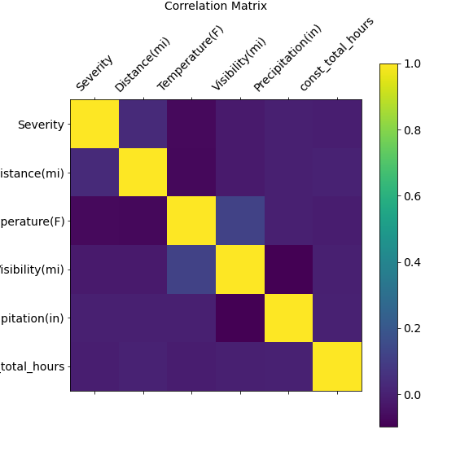
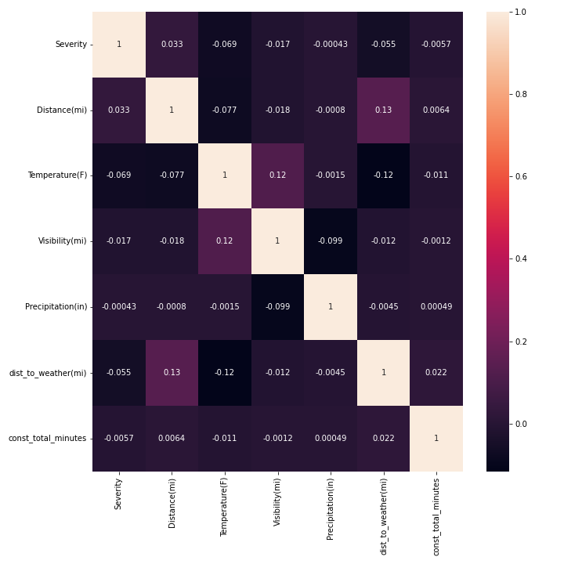
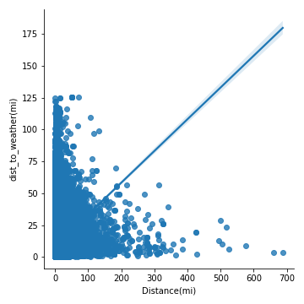
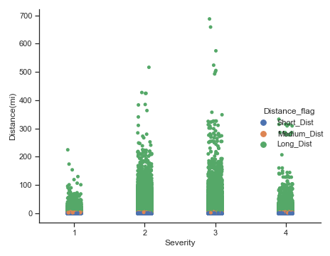
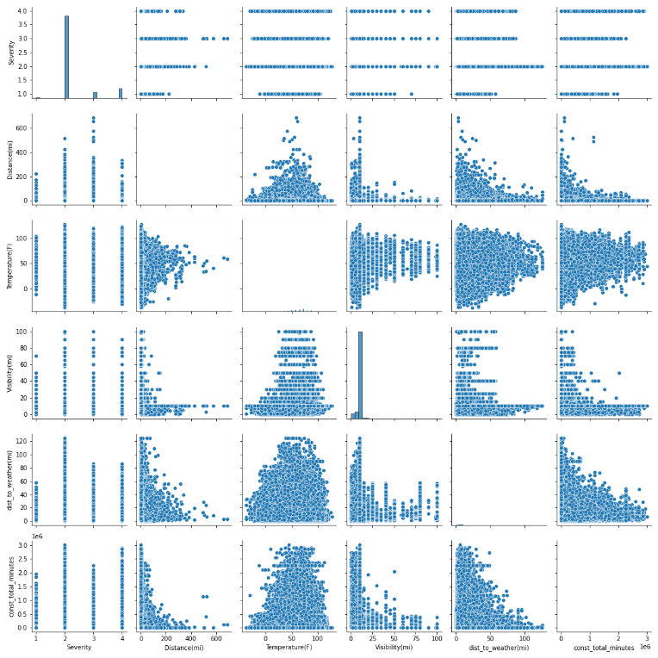
Visualizations

NuRoad Construction Tableau Analysis

